Matches win
Matches win
Row Labels | Batting | Bowling | Grand Total
Sri Lanka |  | 3 | 3
Pakistan | 2 | 1 | 3
Bangladesh | 2 |  | 2
Grand Total | 4 | 4 | 8

Matches win by team wrt Bat first and Bowl first Since 1984
 | Batting | Bowling
Sri Lanka |  | 3
Pakistan | 2 | 1
Bangladesh | 2

Toss Based decision
Row Labels | Count of Result
Batting | 4
Bowling | 4
Grand Total | 8

Toss Decision based Winning %

Top10 venue
Count of Result | Column Labels
Row Labels | Batting | Bowling | Grand Total
Colombo(SSC) | 1 | 1 | 2
Kandy | 1 | 1 | 2
Colombo(PSS) | 1 | 1 | 2
Moratuwa | 1 | 1 | 2
Grand Total | 4 | 4 | 8

Top 10 venues with most matches and winning Based on Bat first and Bowl first

MoM
Row Labels | Count of Player Of The Match | Player name | MoM Won
Wasim Akram | 2 | Wasim Akram | 2
Mohsin Khan | 2 | Mohsin Khan | 2
Asanka Gurusinha | 2 | Asanka Gurusinha | 2
Javed Miandad | 2 | Javed Miandad | 2
Grand Total | 8 | Grand Total | #REF!
 |  | 0 | #REF!
 |  | 0 | #REF!
 |  | Grand Total | #REF!

Top 10 MoM Award Winners
 | MoM Won
Wasim Akram | 2
Mohsin Khan | 2
Asanka Gurusinha | 2
Javed Miandad | 2
Grand Total | 0
0 | 0
0 | 0
Grand Total | 0

KPI
Row Labels | Year | Winner | Runner | Player of series | Highest Wicket taker
1986 | 1984 | India | Sri Lanka | Surinder Khanna | Ravi Shastri
Grand Total | 1986 | Sri Lanka | Pakistan | Arjuna Ranatunga | Abdul Qadir
 | 1988 | India | Sri Lanka | Navjot Sidhu | Arshad Ayub
 | 1990 | India | Sri Lanka | Not Awarded | Kapil Dev
 | 1995 | India | Sri Lanka | Navjot Sidhu | Anil Kumble
 | 1997 | Sri Lanka | India | Arjuna Ranatunga | Venkatesh Prasad
 | 2000 | Pakistan | Sri Lanka | Yousuf Youhana | Abdul Razzaq
 | 2004 | Sri Lanka | India | Sanath Jayasuriya | Irfan Pathan
 | 2008 | Sri Lanka | India | Ajantha Mendis | Ajantha Mendis
KPI
 | 2010 | India | Sri Lanka | Shahid Afridi | Lasith Malinga
 | 2012 | Pakistan | Bangladesh | Shakib Al Hasan | Umar Gul
 | 2014 | Sri Lanka | Pakistan | Lahiru Thirimanne | Lasith Malinga
 | 2016 | India | Bangladesh | Sabbir Rahman | Al Amin Hossain
 | 2018 | India | Bangladesh | Shikhar Dhawan | Rashid Khan
 | 2022 | Sri Lanka | Pakistan | Wanindu Hasaranga | Bhuvneshwar Kumar

 | Year | Winner | Runner up | Player of series | Highest Wicket taker
 | 1986 | Sri Lanka | Pakistan | Arjuna Ranatunga | Abdul Qadir

Dashboard
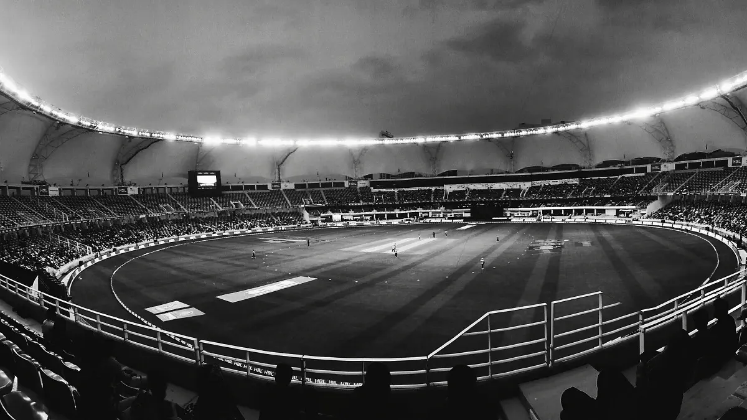
Asia Cup Analysis
1984-2022
Year
1986
Winner
Sri Lanka
Runner up
Pakistan
Player of series
Arjuna Ranatunga

To show Matches win by team wrt Bat first and Bowl first Since 1984
 | Batting | Bowling
Sri Lanka |  | 3
Pakistan | 2 | 1
Bangladesh | 2
To show Toss Decision based Winning %
 | Total
Batting | 4
Bowling | 4
To show Top 10 venues with most matches and winning Based on Bat first and Bowl first
 | Batting | Bowling
Colombo(SSC) | 1 | 1
Kandy | 1 | 1
Colombo(PSS) | 1 | 1
Moratuwa | 1 | 1

Top 10 MoM Award Winners
 | MoM Won
Wasim Akram | 2
Mohsin Khan | 2
Asanka Gurusinha | 2
Javed Miandad | 2
Grand Total | 0
0 | 0
0 | 0
Grand Total | 0

